1. Title Page
[Instacart Grocery Basket Analysis]

Project Name: Instacart Grocery Basket Analysis
Date: 20 December 2023
Analyst Name: Pooja BK

Contents:
Population Flow
Consistency checks
Wrangling steps
Column derivations
Visualizations
Recommendations

Data Citation: | The Instacart Online Grocery Shopping Dataset 2017”, Accessed from www.instacart.com/datasets/grocery-shopping-2017 via Kaggle.
 | In my analysis, it is important to note that the customer data along with the "prices" column in the products dataset, were intentionally fabricated for the purposes of this course and are not representative of real customers or prices in Instacart's data.

2. Population Flow
 |  |  | Title page

Population flow

 |  |  |  | 32404859
Exclusion flag
Condition: max_order <
Obervations to be removed:
Final total count of order_products_all:

Orders_products_combined
Orders_products_merged
Orders_products_all

Total:
Total:
Total:
32404859 | 32404859 | 30629741

1.) The grey boxes in the first row of the population flow represent the original data sets as they were when you downloaded them. In the Total fields you need to add the count of the rows when you imported the data set into Jupyter.
2.) The second row of boxes (coloured) represents the data sets after you manipulated them, e.g., removed missing values and duplicates. In the Total fields you need to add the count of the rows after conducting these operations. This offers a visual oveview of how the data flows throughout the data consistency checks.
3.) The third row, where also the arrows are coloured, represents the merges you performed between the datasets. In the Total fields you need to add the count of the rows in the merged datasets, so that you end up with the final dataset (in the red box). Keep in mind the final dataset should be without exclusions (based on the exclusion flag).

3. Consistency checks
 |  |  |  | Title page
Consistency checks

Dataset | Missing values | Missing values treatment | Duplicates
orders | 206209 Nan in 'days_since_prior_order' column | Replacing NaN with 0 which represents 0 orders for new customers. | None
products | 16 Product names were missing | filter out the ones that aren’t missing into a subset dataframe | 5 duplicates were found and removed
orders_products_prior | None | None | None
customers | 11259 unknown first names | Imputated | None

4. Wrangling steps
 |  |  |  | Title page
Wrangling steps

Columns dropped | Columns renamed | Columns' type changed | Comment/Reason
eval_set |  |  | This column contains system information that acts as a label for the entire data set. It has one value—prior—which indicates that this was the prior data set released by Instacart. This makes it a bit irrelevant for your purposes, so let’s get rid of it!
 | order_dow' to 'orders_day_of_week' |  | “dow” might make sense once you know that it stands for “days of the week,” it’s not the most self-explanatory, especially for other stakeholders that might need access to the data.
 |  | order_id and "user_id" | They don’t represent real numeric values, rather, keys related to specific orders and users. When executing the describe() function, you can exclude these columns by changing their data type to something describe() will ignore, such as a string:

5. Column derivations
 |  |  |  | Title page

Column derivations and aggregations

In this tab you should add tables below that the frequences of flags/label variables that you produced after deriving them. NB: don't do this for continuous variables, only for flags.
Dataset | New column | Column/s it was derived from | Conditions
ords_prods_merge.pkl | price_label | prices | if row['prices'] <= 5: return 'Low-range product' elif (row['prices'] > 5) and (row['prices'] <= 15): return 'Mid-range product' elif row['prices'] > 15: return 'High range' else: return 'Not enough data'

ords_prods_merge.pkl | price_range_loc | prices | df.loc[df['prices'] > 15, 'price_range_loc'] = 'High-range product' df.loc[(df['prices'] <= 15) & (df['prices'] > 5), 'price_range_loc'] = 'Mid-range product' df.loc[df['prices'] <= 5, 'price_range_loc'] = 'Low-range product'

ords_prods_merge.pkl | busiest_day | orders_day_of_week | for value in df_ord_prd_mrd["orders_day_of_week"]:
 |  |  | if value == 0:
 |  |  | result.append("Busiest day")
 |  |  | elif value == 4:
 |  |  | result.append("Least busy")
 |  |  | else:
 |  |  | result.append("Regularly busy")
ords_prods_merge.pkl | busiest_period_of_day | order_hour_of_day | for value in df_ord_prd_mrd["order_hour_of_day"]:
 |  |  | if value in [10, 11, 14, 15, 13, 12, 16,9]:
 |  |  | result2.append("Most orders")
 |  |  | elif value in [17, 8, 18, 19, 20, 7, 21, 22]:
 |  |  | result2.append("Average orders")
 |  |  | else:
 |  |  | result2.append("Fewest orders")
ords_prods_new_var.pkl | max_order | order_number | df_ords_prods_merge['max_order'] = df_ords_prods_merge.groupby(['user_id'])['order_number'].transform(np.max)

ords_prods_new_var.pkl | loyalty_flag | max_order | df_ords_prods_merge.loc[df_ords_prods_merge['max_order'] > 40, 'loyalty_flag'] = 'Loyal customer' df_ords_prods_merge.loc[(df_ords_prods_merge['max_order'] <= 40) & (df_ords_prods_merge['max_order'] > 10), 'loyalty_flag'] = 'Regular customer' df_ords_prods_merge.loc[df_ords_prods_merge['max_order'] <= 10, 'loyalty_flag'] = 'New customer'

 | user_mean_prices | user_id and prices | df_ords_prods_merge['user_mean_prices'] = df_ords_prods_merge.groupby('user_id')['prices'].mean()
ords_prods_new_var.pkl | spending_flag | user_mean_prices | df_ords_prods_merge.loc[df_ords_prods_merge['user_mean_prices'] < 10, 'spending_flag'] = 'Low spender' df_ords_prods_merge.loc[df_ords_prods_merge['user_mean_prices'] >= 10, 'spending_flag'] = 'High spender'

ords_prods_new_var.pkl | user_median_order | user_id and days_since_prior_order | df_ords_prods_merge['user_median_order'] = df_ords_prods_merge.groupby('user_id')['days_since_prior_order'].median() df_ords_prods_merge.loc[df_ords_prods_merge['user_median_order'] > 20, 'order_frequency_flag'] = 'Non-frequent customer' df_ords_prods_merge.loc[(df_ords_prods_merge['user_median_order'] > 10) & (df_ords_prods_merge['user_median_order'] <= 20), 'order_frequency_flag'] = 'Regular customer' df_ords_prods_merge.loc[df_ords_prods_merge['user_median_order'] <= 10, 'order_frequency_flag'] = 'Frequent customer'

6. Visualizations
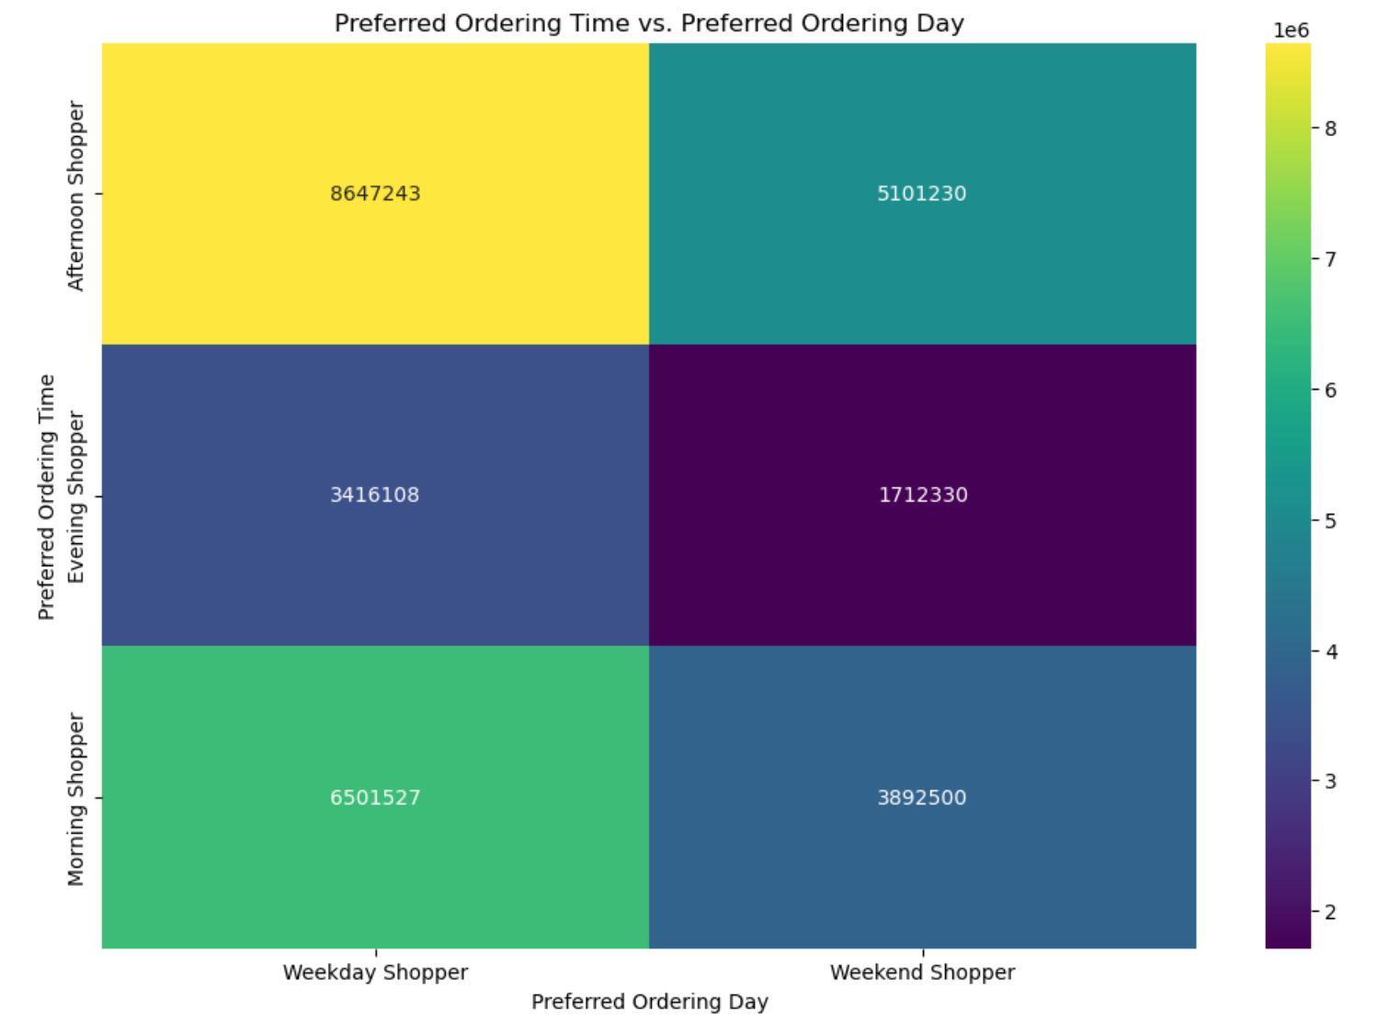
 |  |  | Title page

Visualisations

In this tab you should include all the visualtions from Exercises 4.9 and 4.10, alongside the questions from the project brief that they answer. Include any commentary on the relationship between different variables.

Orders per Day
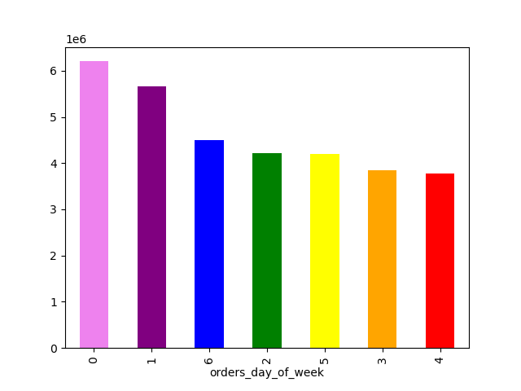

 | 0 = Saturday 1 = Sunday 2 = Monday 3 = Tuesday 4 = Wednesday 5 = Thursday 6 = Friday

 | According to the graph, it is evident that weekends have more orders compared to weekdays.

Order hours per Frequency and Expendeture

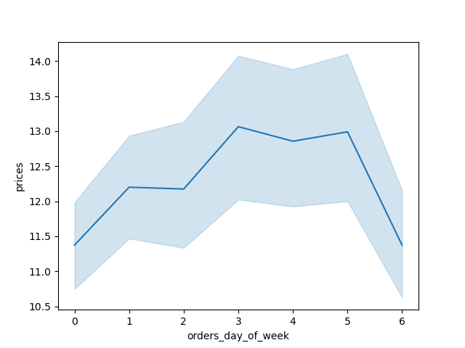

Frequency of Order |  | Expendeture over the week

Order hours of the day

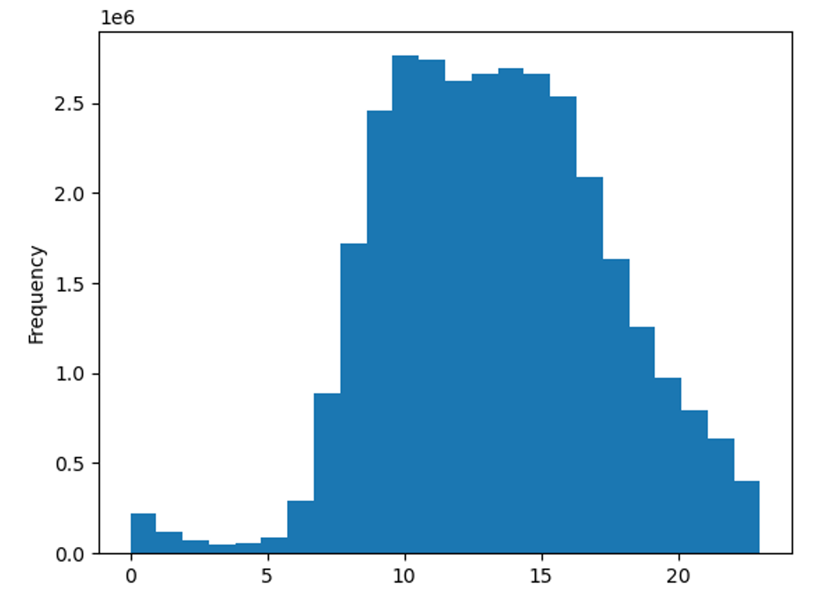

 |  | There is a noticeable trend in ordering behavior throughout the day. For example, there is a significant increase in orders starting from the early morning (around 7 AM) until late morning, with a peak around 10 AM. Another peak is observed during the late afternoon, around 4 PM to 6 PM

Order hours of the day by Price

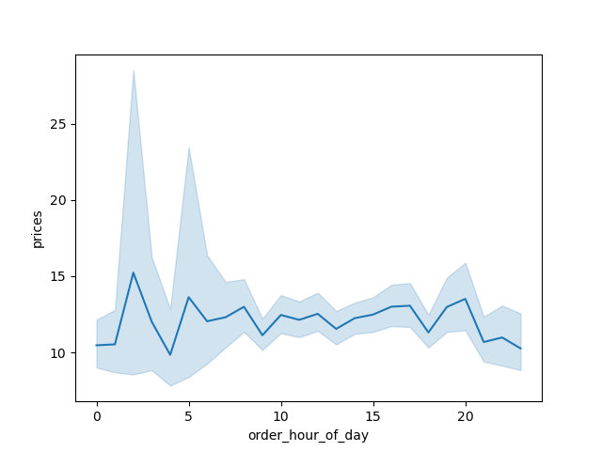

 |  | Difference in expenditure depending on the hour of the day

Age and Income

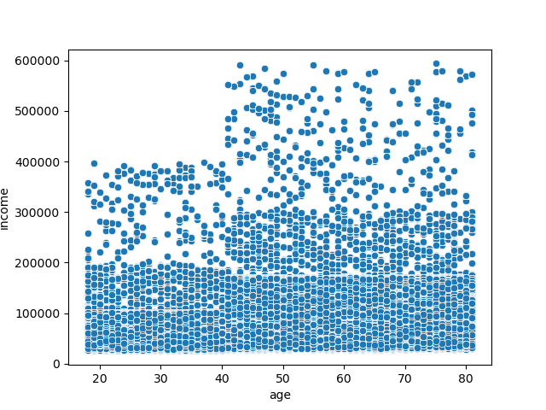

 |  | People under the age of 40 typically have incomes below 400,000, whereas individuals aged 40 and above generally have incomes upto 600,000.

Customer Loyalty

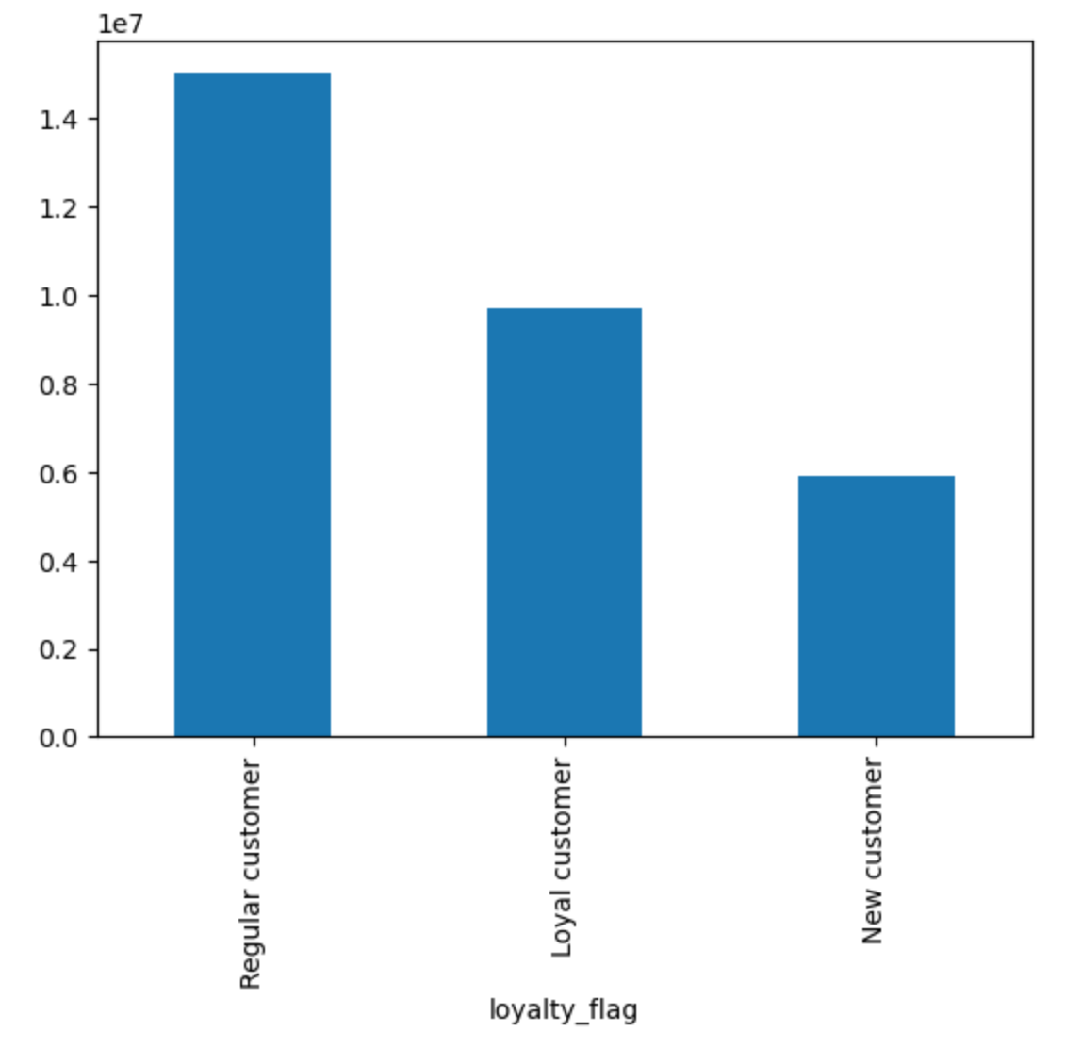

Customer Profile

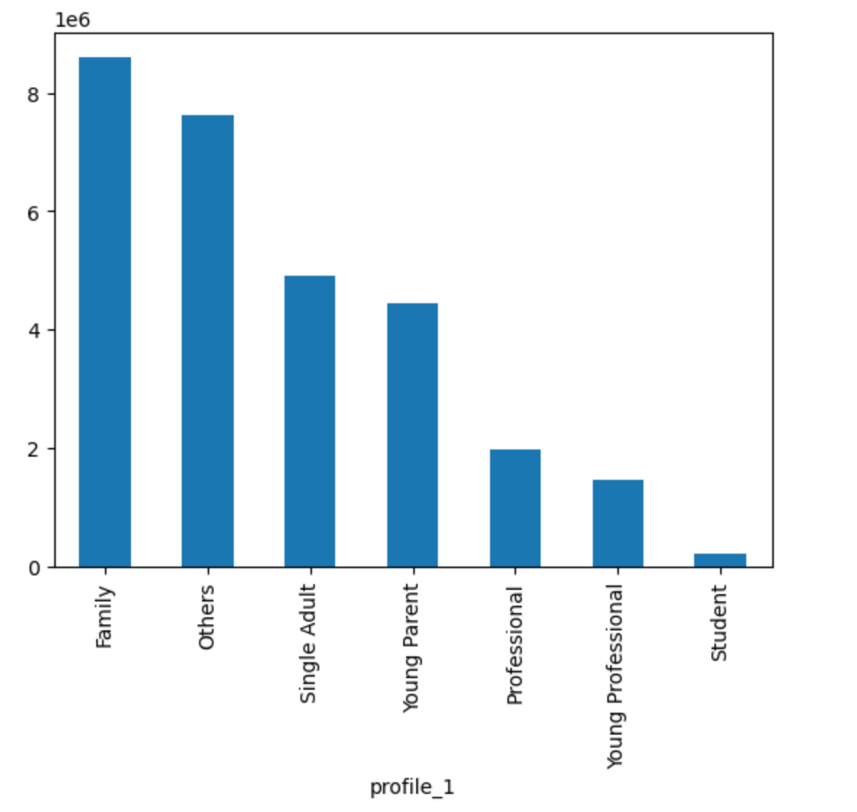

Customer profile across regions

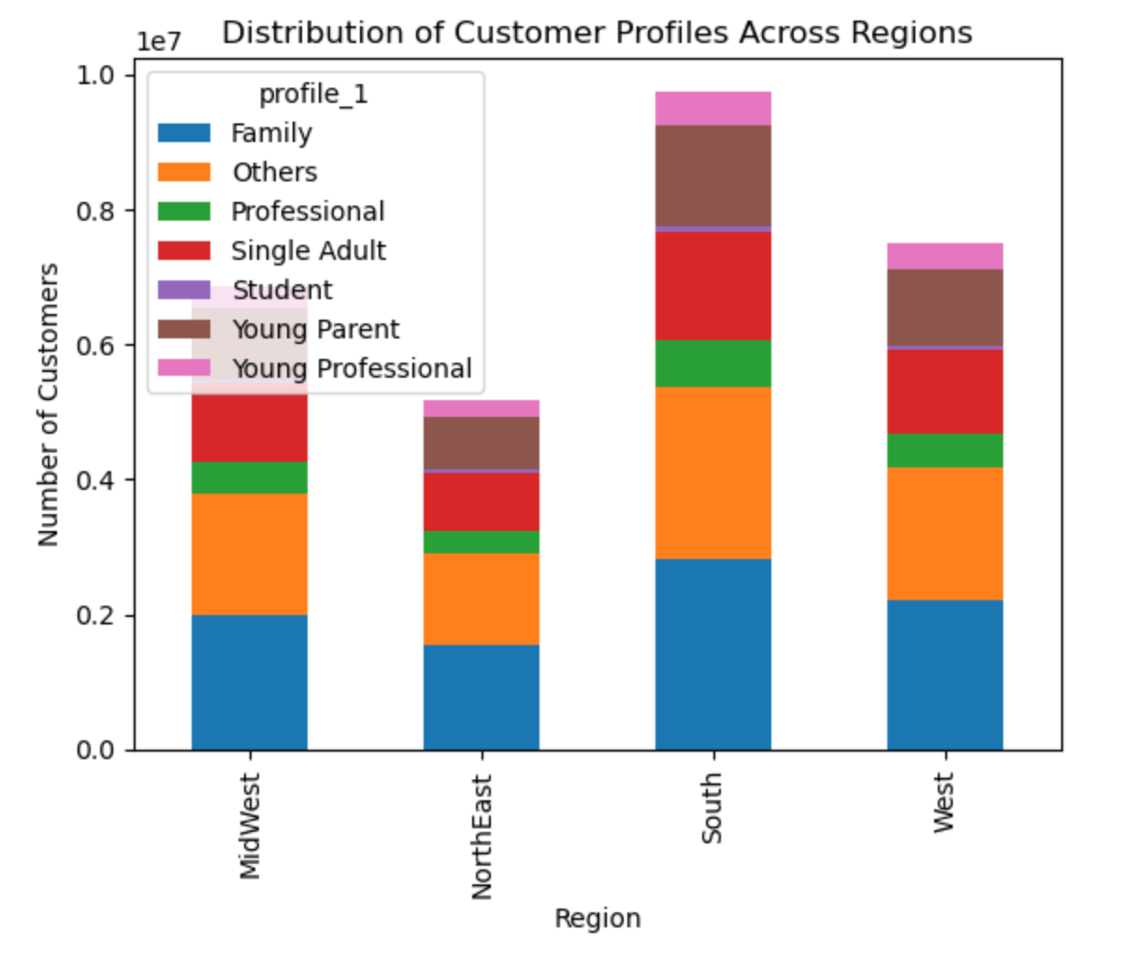

Customer profile across departments

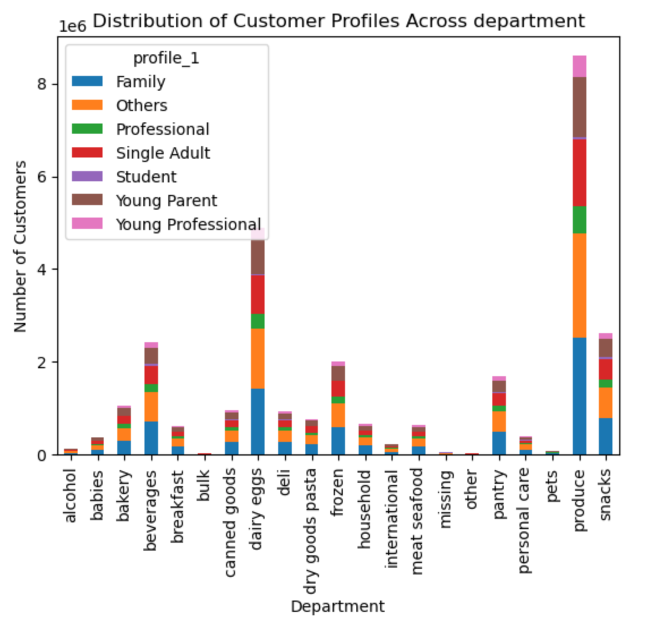

Customer grouped by Age, Income and Dependants

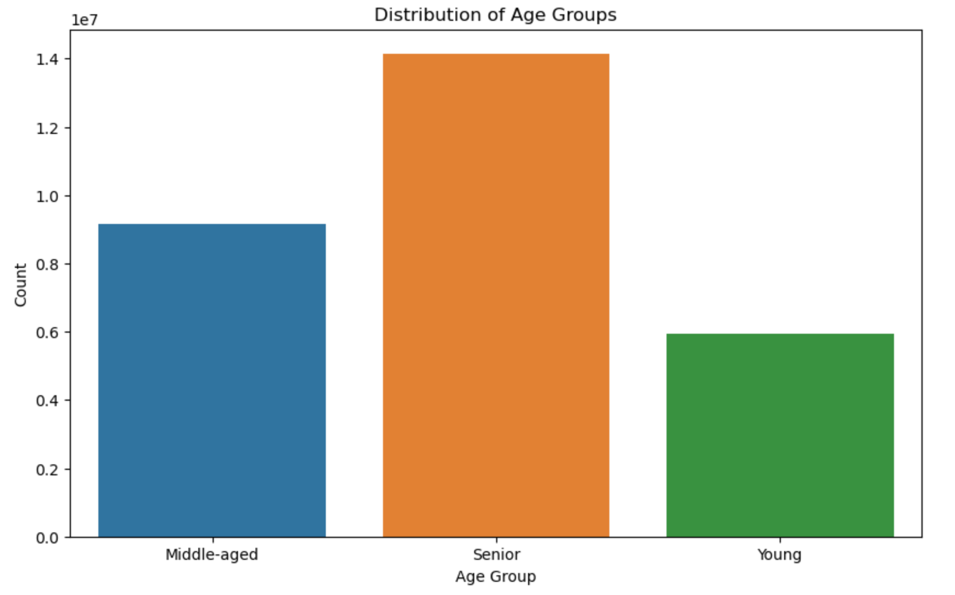
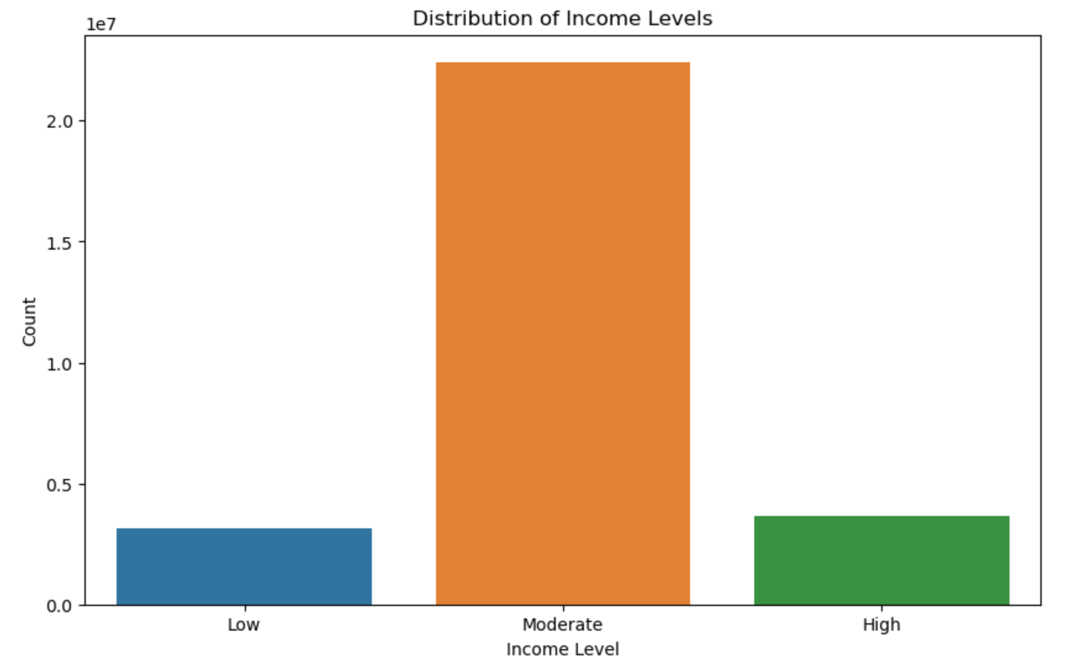
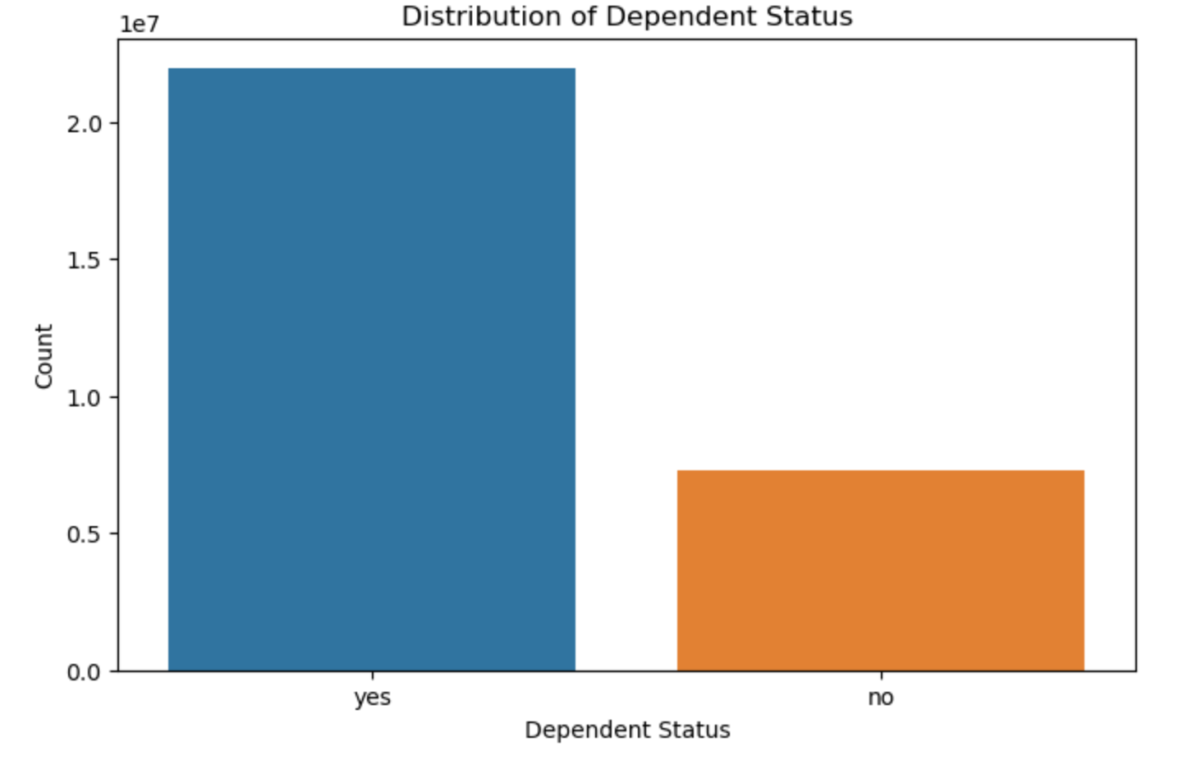

Type of Shoppers

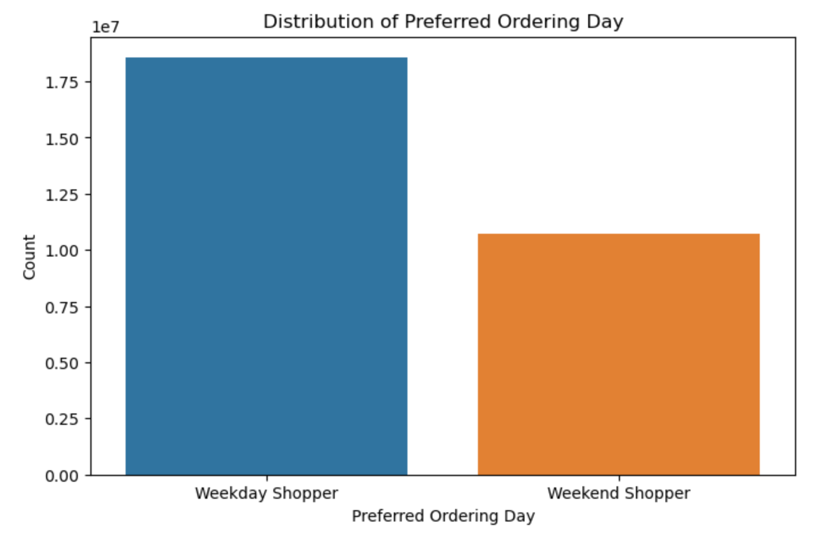
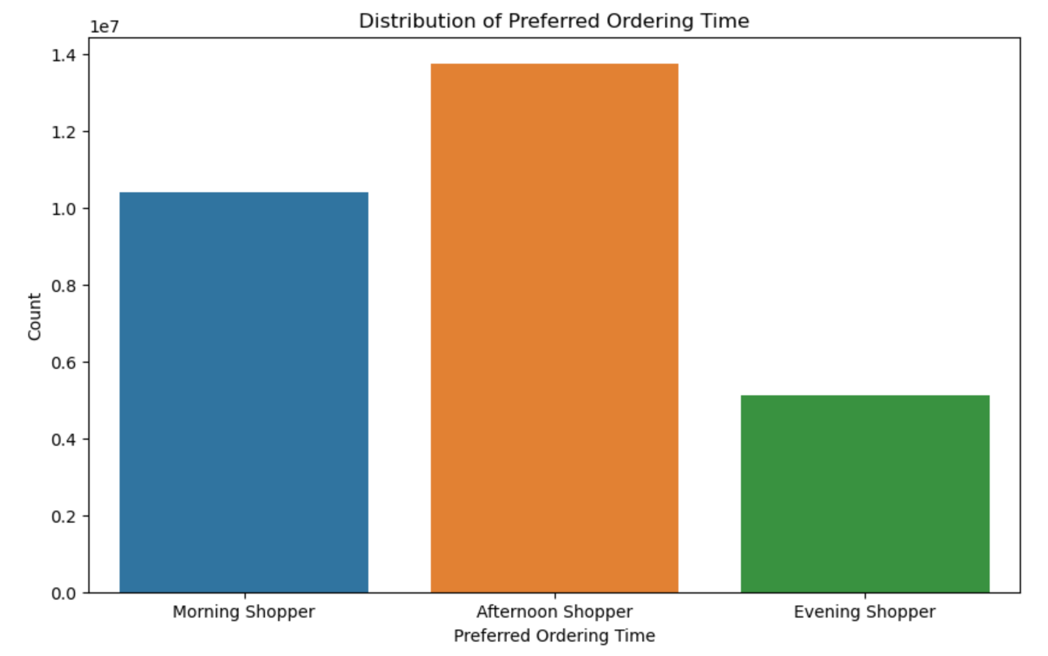

Customers preferred Ordering Day and Time

7. Recommendations
 |  |  | Title page

Recommendations

In this tab you should include any recommendations you would made to Instcart in terms of their marketing strategy based on the questions posed in the brief. Every key question has been covered in the Tasks of the Exercises - here you need to add an item - a visualisation or table/crosstable that is showing the answer in the data, acompanied by a comment from you. Please, list the questions below and add the answer underneath

Key Question | Answer | Graph
The sales team need to know what the busiest days of the week and hours of the day are (i.e., the days and times with most orders) in order to schedule ads at the time when there are fewer orders | There is a noticeable trend in ordering behavior throughout the day. For example, there is a significant increase in orders starting from the early morning (around 7 AM) until late morning, with a peak around 10 AM. Another peak is observed during the late afternoon, around 4 PM to 6 PM | 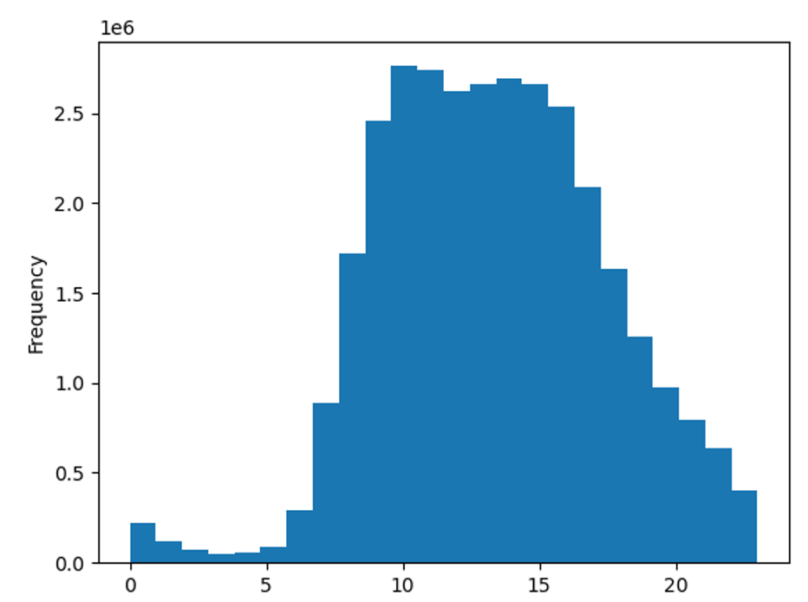

Is there a particular time of the day when people spend the most money, as this might inform the type of products they advertise at these times | Revised Answer: People tend to spend the most money during the early morning and late night, while spending moderately during the rest of the day. This information could guide the selection of products to advertise during these peak spending times. | 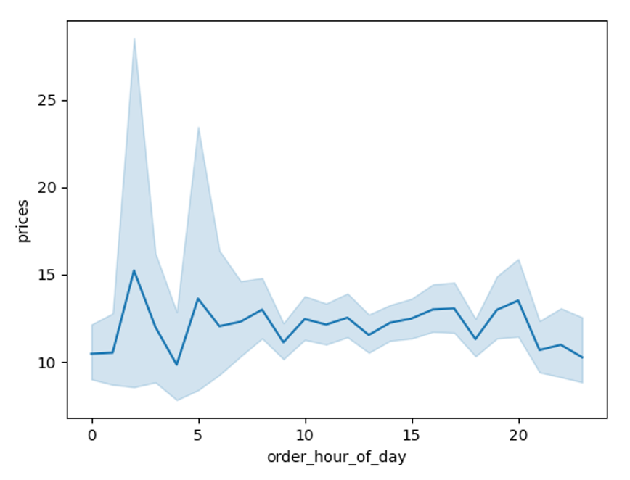
Are there certain types of products that are more popular than others? The marketing and sales teams want to know which departments have the highest frequency of product orders. | From the graph it's observed that items such as produce, dairy, and eggs are ordered more frequently than others.

What's the distribution among users in regards to their brand loyalty? (i.e., how often do they return to Instacart? | The distribution among users in terms of brand loyalty is as follows: Regular customers: 15,876,776 Loyal customers: 10,284,093 New customers: 6,243,990

The marketing and sales teams are particularly interested in the different types of customers in their system and how their ordering behaviors differ. | According to the graph, there is a notable increase in orders from afternoon shoppers on weekdays, contrasting with a decrease in orders from morning shoppers on weekends.

